Sheet1
STYLE | IMAGE | DESCRIPTION | COLOR | UNITS | MSRP
CH4RP036 | 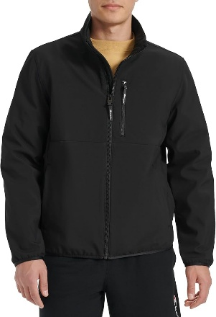 | light weight soft shell stand collar | BLACK | 1800 | $160.00
CH4RP036 | 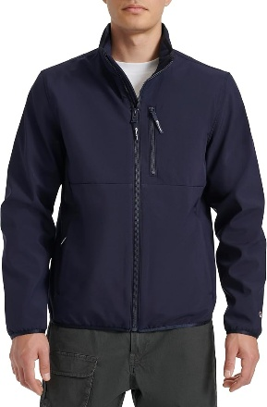 | light weight soft shell stand collar | NAVY | 3600 | $160.00
CH4RP036 | 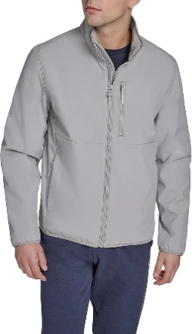 | light weight soft shell stand collar | GREY | 1000 | $160.00
CH4RP036 | 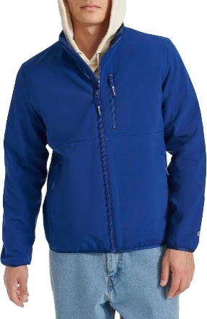 | light weight soft shell stand collar | ROYAL | 900 | $160.00
CH4RP050 | 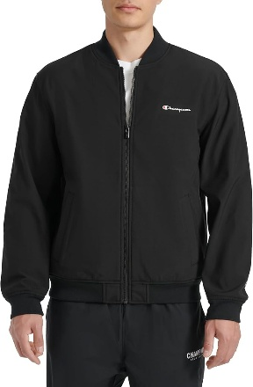 | light weight soft shell varsity | BLACK | 900 | $160.00
CH4RP050 | 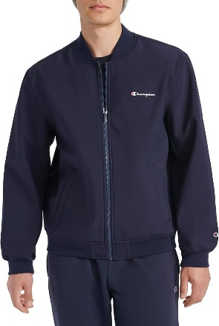 | light weight soft shell varsity | NAVY | 1400 | $160.00
CH4RP050 | 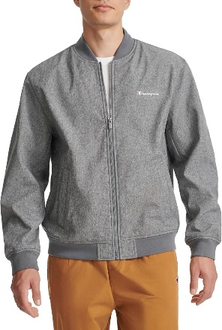 | light weight soft shell varsity | HEATHER GREY | 1400 | $160.00
CH4RP057 | 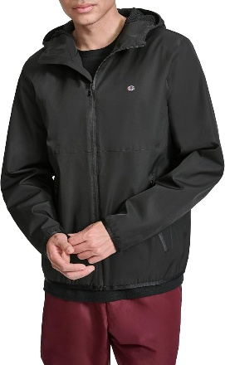 | light weight rain hoody | BLACK | 1000 | $160.00
CH4RP057 | 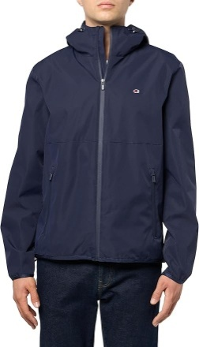 | light weight rain hoody | NAVY | 1000 | $160.00
CH4RP057 | 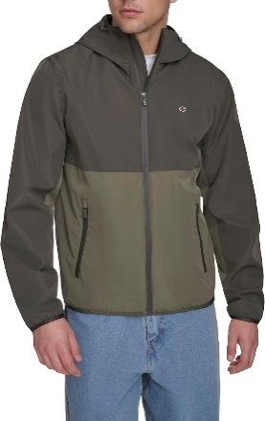 | light weight rain hoody | OLIVE/GRN | 265 | $160.00
CH4KP032 | 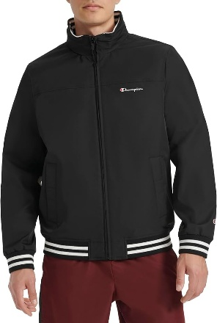 | bomber | BLACK | 1400 | $160.00
CH4RP032 |  | bomber | BLACK | 350 | $160.00
CH4KP032 | 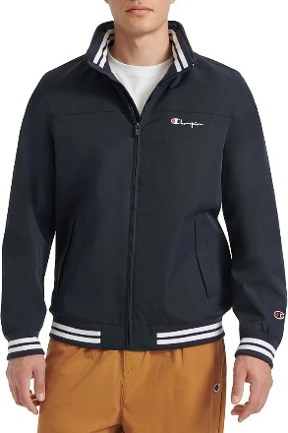 | bomber | NAVY | 450 | $160.00
CH4RP032 |  | bomber | NAVY | 450 | $160.00
CH4RP032 | 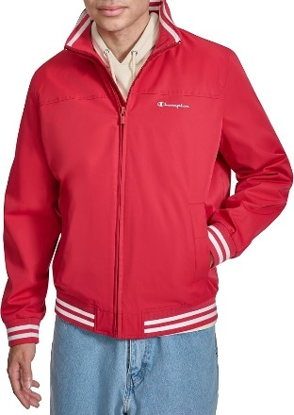 | bomber | RED | 350 | $160.00
CH4RP032 | 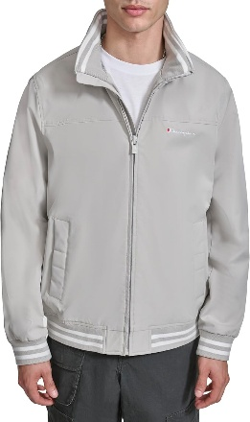 | bomber | OYSTER | 350 | $160.00
CH4RP040 | 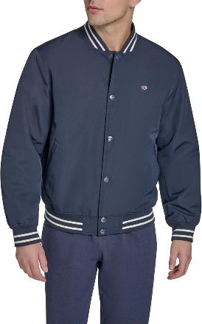 | varsity bomber | NAVY | 400 | $160.00
CH4RP040 | 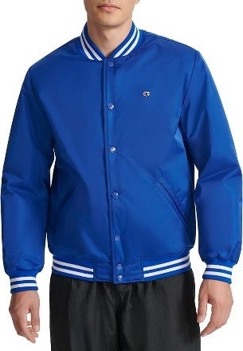 | varsity bomber | ROYAL | 2400 | $160.00
CH4RP040 | 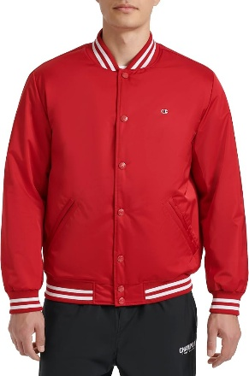 | varsity bomber | RED | 1100 | $160.00
CH4RP040 | 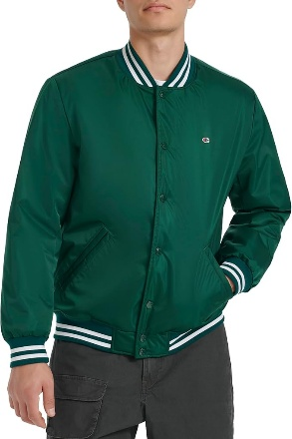 | varsity bomber | RAINFOREST | 950 | $160.00
CH4RP040 | 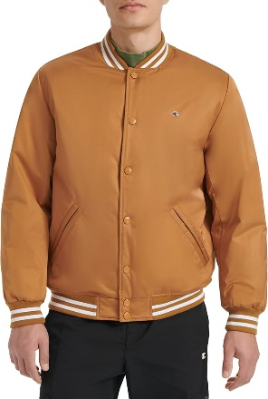 | varsity bomber | TOBACCO | 500 | $160.00
CH4RP001 | 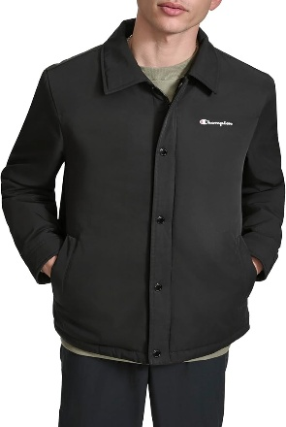 | coaches | BLACK | 400 | $160.00
CH4RP001 | 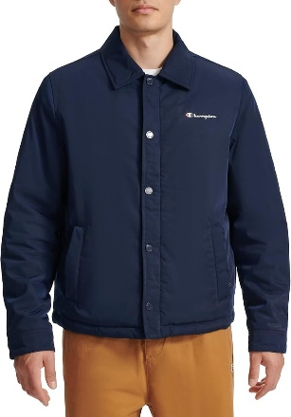 | coaches | NAVY | 600 | $160.00
CH4RP001 | 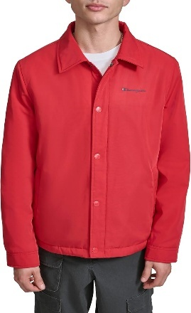 | coaches | RED | 200 | $160.00
CH4RP001 | 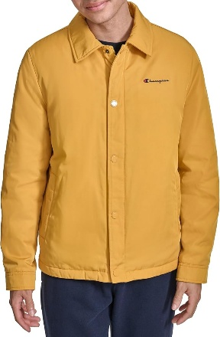 | coaches | SUNFLOWER | 180 | $160.00
CH5BP201 | 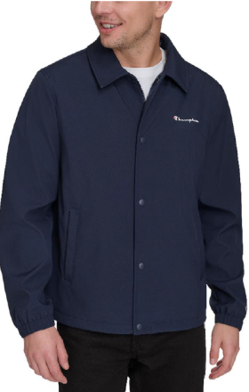 | coaches | NAVY | 1200 | $160.00
CH4RN022 | 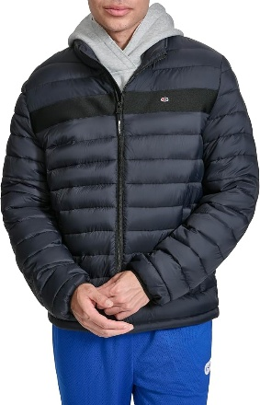 | packable | BLACK | 600 | $200.00
CH4RN022 | 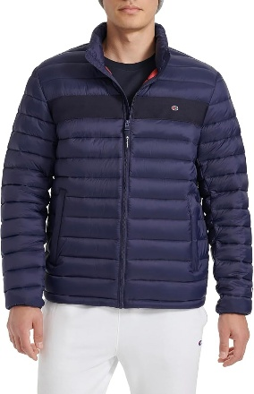 | packable | NAVY | 800 | $200.00
CH4RN022 | 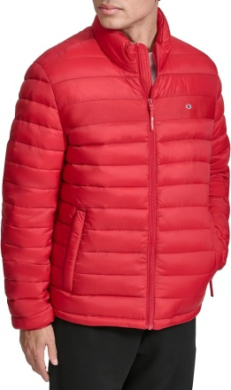 | packable | RED | 200 | $200.00
CH4RN022 | 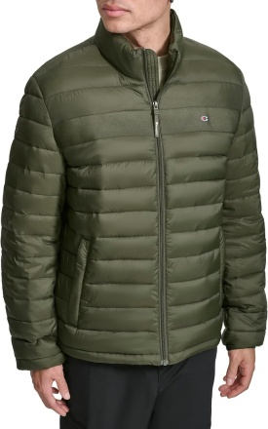 | packable | FOREST | 200 | $200.00
CH4RN047 |  | quilted nylon hoody | MID/ICE/RED COMBO | 1700 | $200.00
CH4RN047 | 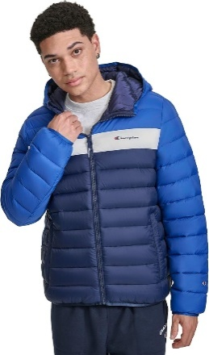 | quilted nylon hoody | ROYAL COMBO | 1000 | $200.00
CH4BN047 |  | quilted nylon hoody | ROYAL COMBO | 547 | $200.00
CH4RN047 |  | quilted nylon hoody | SUNFLOWER COMBO | 950 | $200.00
CH4RN047 |  | quilted nylon hoody | NAVY | 400 | $200.00
CH4RN047 | 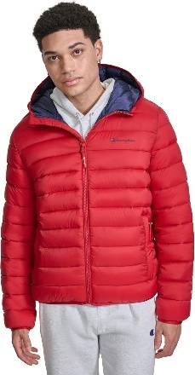 | quilted nylon hoody | RED | 900 | $200.00
CH4RN047 | 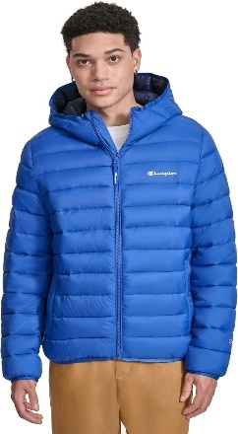 | quilted nylon hoody | ROYAL | 600 | $200.00
 |  |  |  | 32442

